Fire
PIONEER SERVICES

 |  |  |  |  | Date: | 9-May-24

Mr. Taha Ghazanavi
Variation Order for Grills - Engro Office Dawood Center M.T Khan Rd, Karachi

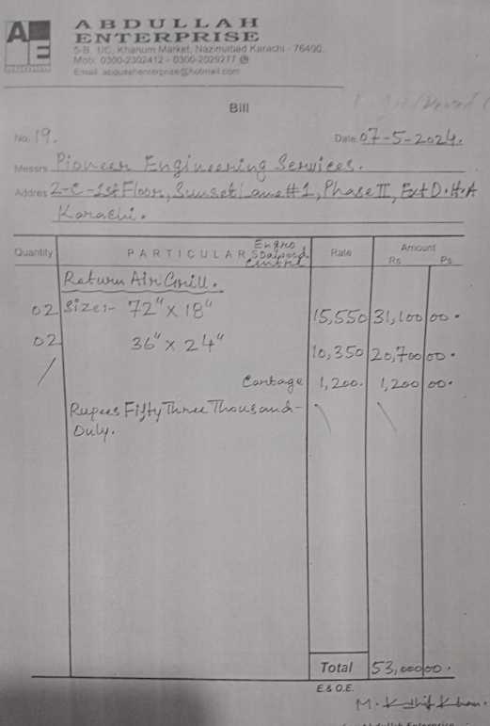
S.No | Description | Unit | Qty | Material Rate | Labour Rate | Amount
1 | Supply and installation of Return air grills Size 72" x 18" | Nos | 2 | 29,808 | 3,000 | 65,616
2 | Supply and installation of Return air grills Size 36" x 24" | Nos | 2 | 19,872 | 1,500 | 42,744
3 | Transportation | Job | 1 |  | 3,000 | 3,000
 | Total Amount Rs |  |  |  |  | 111,360

For PIONEER SERVICES

Duct
PIONEER SERVICES
 |  |  |  | Date: | 21-Feb-24

DUCTING FOR THE PROJECT ABILITY GROUND FLOOR NASTP Karachi.

S.No | Description | Unit | Qty | Rate | Amount

1 | Remove Diffuser 15" X 15" | Nos | 10 | 800 | 8,000
2 | Supply & Installation Diffuser 12"X 12" | Nos | 4 | 4,500 | 18,000
4 | Installation Diffuser 15"X 15" | Nos | 10 | 1,200 | 12,000
5 | Supply & installation G.I Ducting | SQFT | 100 | 475 | 47,500
6 | Supply & Installation Glasswoll Insulation For G.I Ducting | SQFT | 100 | 290 | 29,000
 | Total Amount Rs |  |  |  | 114,500
 | Discount 30% |  |  |  | 34,350
 | Grand Total |  |  |  | 80,150

Note: The bill is exclusive of taxes. (Cash basis)

For PIONEER SERVICES

